WACC
Debt and equity

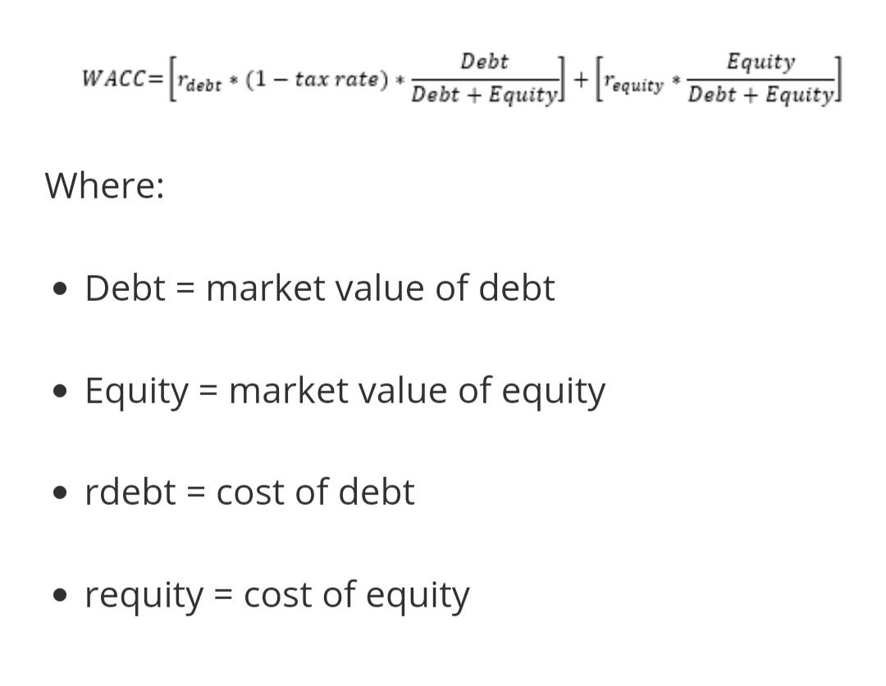
Total Equity | 6,801.03
Total debt | 299.05
Debt + Equity | 7,100.08

Cost of capital assumptions

Cost of debt | 0.07
Tax rate | 20.00
Effective cost of debt | 0.06

Risk free rate | 0.06
Beta | 0.65
Market Risk Premium | 0.08
Cost of equity | 0.11

Capital weights
 |  | WACC will be our discounting rate to calculate present values of predicted cash flows.
Debt % | 0.04
Equity % | 0.96

Weighted avg cost of capital | 0.11

